Tabelle2
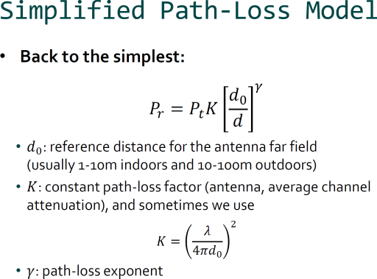
 |  |  |  |  | http://www.csie.ntu.edu.tw/~hsinmu/courses/_media/wn_11fall/path_loss_and_shadowing.pdf

Choose one or more MACs
Sort data by MAC and Position
Copy data into columns below
 |  |  |  |  | f | 2.40E+09 | in Hz
 |  |  |  |  | lambda | 0.13 | in m
 |  |  |  | adjust this-> | P_t | 1 | in mW
 |  |  |  |  | d_0 | 1 | in m
 |  |  |  | adjust this-> | gamma | 1.7 | in 1
 |  |  |  |  | K | 9.8946468401E-05 | in 1

 | distance / m | RSSI in dBm | Pr in mW | Pr in dBm | log(d/d_0)
A1 | 2 | -47 | 3.05E-05 | -45.2 | 3.01
A2 | 4 | -52 | 9.37E-06 | -50.3 | 6.02
A3 | 6 | -54 | 4.70E-06 | -53.3 | 7.78
A4 | 8 | -56 | 2.89E-06 | -55.4 | 9.03
A5 | 10 | -58 | 1.97E-06 | -57.0 | 10.00
A6 | 12 | -60 | 1.45E-06 | -58.4 | 10.79
A7 | 14 | -62 | 1.11E-06 | -59.5 | 11.46
A8 | 16 | -64 | 8.88E-07 | -60.5 | 12.04
A9 | 18 | -66 | 7.27E-07 | -61.4 | 12.55
A10 | 20 | -68 | 6.08E-07 | -62.2 | 13.01
A11 | 22 | -70 | 5.17E-07 | -62.9 | 13.42
A12 | 24 | -72 | 4.46E-07 | -63.5 | 13.80
A13 | 26 | -74 | 3.89E-07 | -64.1 | 14.15
A14 | 28 | -76 | 3.43E-07 | -64.6 | 14.47
A15 | 30 | -78 | 3.05E-07 | -65.2 | 14.77
A16 | 32 | -80 | 2.73E-07 | -65.6 | 15.05
A17 | 34 | -82 | 2.47E-07 | -66.1 | 15.31
A18 | 36 | -84 | 2.24E-07 | -66.5 | 15.56
A19 | 38 | -86 | 2.04E-07 | -66.9 | 15.80
A20 | 40 | -88 | 1.87E-07 | -67.3 | 16.02
A21 | 42 | -90 | 1.72E-07 | -67.6 | 16.23
A22 | 44 | -92 | 1.59E-07 | -68.0 | 16.43
A23 | 46 | -94 | 1.47E-07 | -68.3 | 16.63
A24 | 48 | -96 | 1.37E-07 | -68.6 | 16.81

 |  | your
 |  | data
 |  | above

